Sheet1
Model:H20
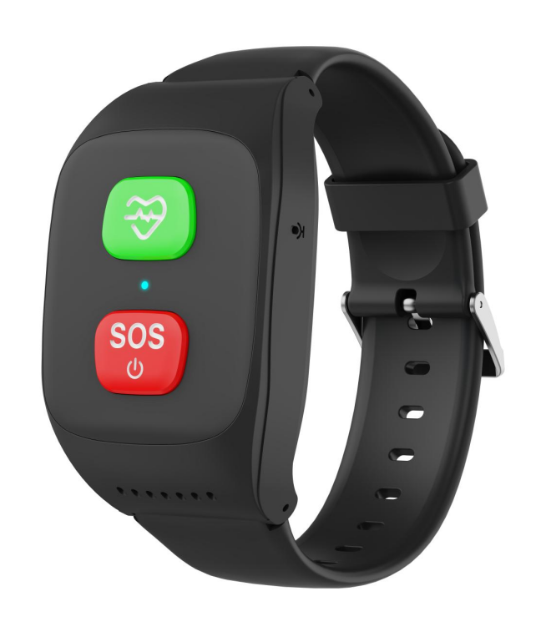 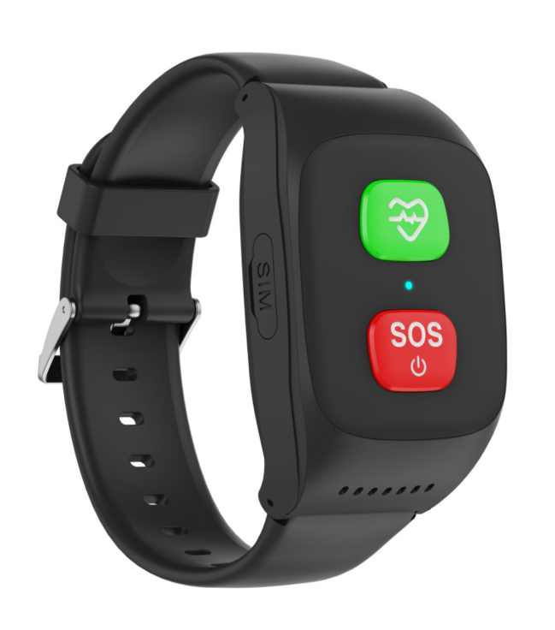 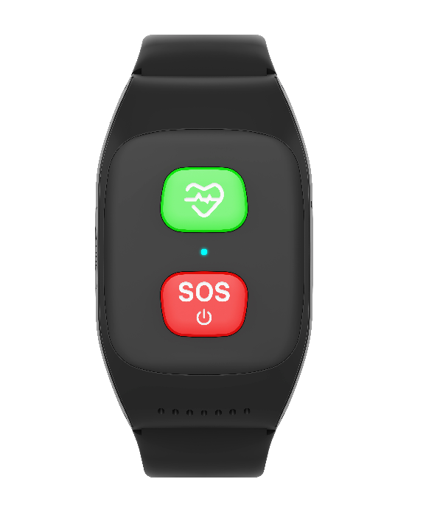

Parameter | Details | Description / Tech | Parameter | Details | Description / Tech

Materials | Body Case | ABS+PC | Positioning | GPS | Support
 | Screen Glass | Semipermeable coating glasses |  | LBS | Support
 | Strap | LSR |  | AGPS | Support
 | Colors | Blue, black |  | Wifi | Support
Size&Weight | W:H:L | 35.5*18*58mm | Audio | MIC | Strong anti-noise microphone
 | Net weight |  |  | Speaker | High-quality waterproof Speaker
 | Package weight |  |  | Handfree | Support
Waterproof |  | IPX7 |  | Ringtones | Support
Battery&Useage | Capacity | 800 mAh | Communication | SOS | Setting up maximum 3 members of your friends or relatives,speed dial available.
 | Voltage&Current | 3.8 V
 | Maximum Charging Voltage | 5.0 V |  | Voice chat | Support
 | Standby time | 6-7days |  | MMS&EMS | /
 | Calling time | 6-7 hours |  | E-mail | /
 | Battery cell | Li-polymer | Features of Devices'APP | Communications | Two-way voice call is available via app on mobile.
Screen Touch Panel | Display type | /
 | Size | / |  | Voice chat | Group chat is available on differnet deveices (watch+moblie app)
 | Resolution | /
 | TP type | / |  | Remote Monitor | Reply mode to set out a remote monitor (easily get the voice and background sound)
Chipset/Frame | Mainboard | ASR3603S
 | Wifi | Interal, RX only |  | Fence | Several fences setting available
 | GPS | Support
 | Bluetooth | / |  | Health monitor | Check the data of BP,SpO2,and heart rate by remote monitor.
Ports | SIM card slot | 1 Nano SIM card slot
 | Charger port | Magnetic charger |  | Notification | Notify when reach or out of safety area , low battery and sos alrams.
 | IO port | 2 pin
 | Headphone jack | / |  | Devices management | Add 1 more deveice via application
Network | WCDMA | B2 B3 B5
 | GSM | B1 B2 B5 |  | Trace | last 1 month activities trace inquiring available
 | FDD-LTE | B1 B2 B3 B5 B7 B20 B28A B71
 |  |  |  | Track playback | Support
Camera | / | /
Video call | / | / |  | WIFI+GPS+LBS range | Wifi 3-50m, GPS 3~10m, LBS100~500m
Heart rate |  | Yes
Blood 0xygen |  | Yes |  | Battery Monitor | Notify you the battery status of device Low battery notification
Blood pressure |  | Yes
Temperature | Body only | Yes |  | Time synchronization | Auto sycning with the Internet time after accessing to network
Drooping proof |  | /
Sensor | G-sensor | Yes |  | Supported OS | android, ios
 | Optical sensor | Yes
Others | Antenna | FPC GSM
 | Pedometer | Yes

